Sheet1
 | Monte Milano List

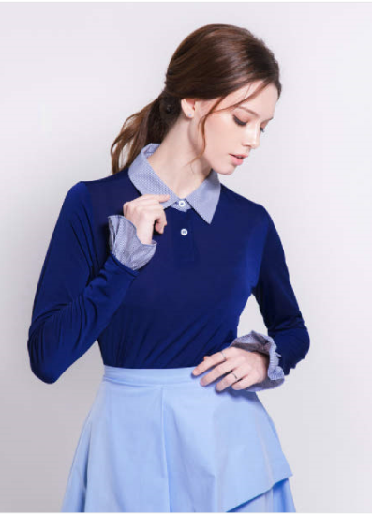
IMAGE | ITEM | SIZE | Q,TY
 |  | 55 | 1,776
 | MONTE MILANO | 66 | 2,737
 | BELLA MIX AND CHANGE | 77 | 2,369
 | BLOUSE | 88 | 1,698
 |  | 99 | 1,402
 | TTL |  | 9,982
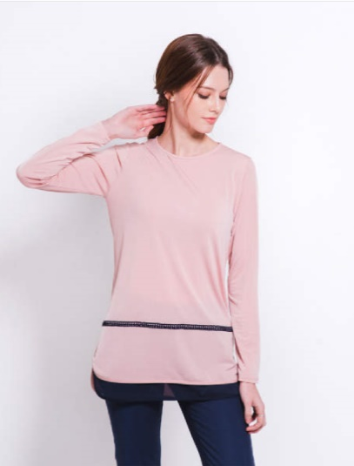
 |  | 55 | 2,402
 | MONTE MILANO | 66 | 3,137
 | BELLA MIX AND CHANGE | 77 | 3,018
 | BLOUSE | 88 | 2,056
 |  | 99 | 1,464
 | TTL |  | 12,077
IMAGE | 상품명 | SIZE | QNTY

 |  | 55 | 2,112
 | MONTE MILANO | 66 | 3,152
 | BELLA MIX AND CHANGE | 77 | 2,861
 | BLOUSE | 88 | 1,663
 |  | 99 | 1,314
 | TOTAL |  | 11,102
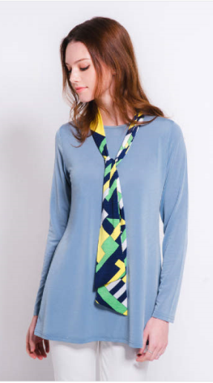
 |  | 55 | 2,112
 | MONTE MILANO | 66 | 3,428
 | BELLA MIX AND CHANGE | 77 | 2,219
 | BLOUSE | 88 | 1,890
 |  | 99 | 1,418
 | TTL |  | 11,067
G/TOTAL |  |  | 44,228

